Load Rating
CLIENT | MassDOT |  |  |  |  | STV Incorporated |  |  |  | CLIENT | MassDOT |  |  |  | STV Incorporated |  |  |  | CLIENT | MassDOT |  |  |  |  | STV Incorporated |  |  |  | CLIENT | MassDOT |  |  |  |  | STV Incorporated |  |  |  | CLIENT | MassDOT |  |  |  | STV Incorporated |  |  |  | CLIENT | MassDOT |  |  |  | STV Incorporated
PROJECT | Richard P. Howe - L-15-095 |  |  |  |  | MADE | CHK. | REV. | 4014312 | PROJECT | Richard P. Howe - L-15-095 |  |  |  | MADE | CHK. | REV. | 4014312 | PROJECT | Richard P. Howe - L-15-095 |  |  |  |  | MADE | CHK. | REV. | 4014312 | PROJECT | Richard P. Howe - L-15-095 |  |  |  |  | MADE | CHK. | REV. | 4014312 | PROJECT | Richard P. Howe - L-15-095 |  |  |  | MADE | CHK. | REV. | 4014312 | PROJECT | Richard P. Howe - L-15-095 |  |  |  | MADE | CHK. | REV. | 4014312
SUBJECT | Bridge Loading |  |  |  |  | ARG | WRG |  | SHT # 1 /7 | SUBJECT | Bridge Loading |  |  |  | ARG | WRG |  | SHT # 2 /7 | SUBJECT | Bridge Loading |  |  |  |  | ARG | WRG |  | SHT # 3 /7 | SUBJECT | Bridge Loading |  |  |  |  | ARG | WRG |  | SHT # 4 /7 | SUBJECT | Bridge Loading |  |  |  | ARG | WRG |  | SHT # 5 /7 | SUBJECT | Bridge Loading |  |  |  | ARG | WRG |  | SHT # 6 /7
 | Bridge Dead Load |  |  |  |  | 2016-04-04 | 2016-05-09 |  |  |  | Panel Point Loads |  |  |  | 2016-04-04 | 2016-05-09 |  |  |  | Panel Point Loads |  |  |  |  | 2016-04-04 | 2016-05-09 |  |  |  | Load transfer to Stringers & Floorbeams: |  |  |  |  | 2016-04-04 | 2016-05-09 |  |  |  | Load transfer to Stringers & Floorbeams: |  |  |  | 2016-04-04 | 2016-05-09 |  |  |  | Pedestrian load on truss panel points |  |  |  | 2016-04-04 | 2016-05-09

 | Bridge Dead Load |  |  |  |  |  |  |  |  |  | Panel Point Loads |  |  |  |  | Ref. |  |  |  | Panel Point Loads |  |  |  |  |  | Ref. |  |  |  | Load transfer to Stringers & Floorbeams: |  |  |  |  |  |  |  |  |  | Load transfer to Stringers & Floorbeams: |  |  |  |  |  |  |  |  | Pedestrian load on truss panel points

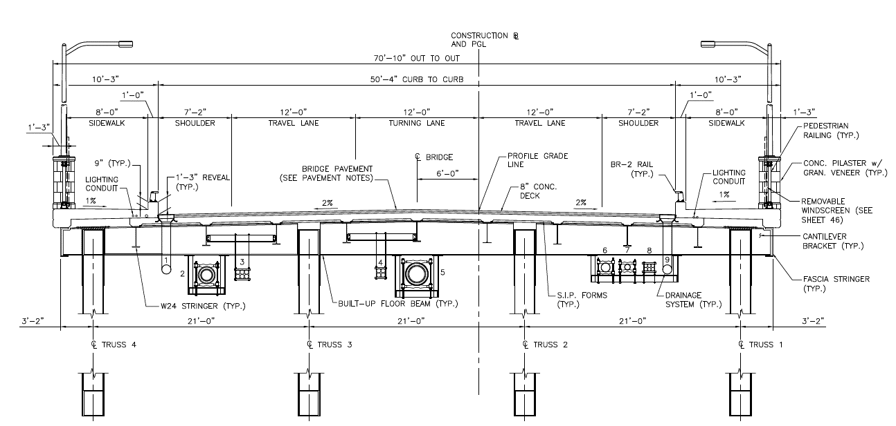
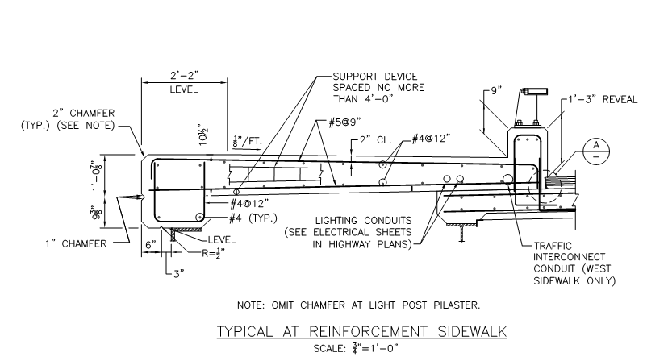
 | The following procedure is taken in order to determine the dead load on the bridge: |  |  |  |  |  |  |  |  |  | Dead Loads on Upper Panel: |  |  |  |  | Values below do not include Bracing |  |  |  | The values below refer to the load on the gusset plate point that is transferred to the truss: |  |  |  |  |  |  |  |  |  | Dead Load: |  |  |  |  | Ref. |  |  |  |  | Live Load: |  |  |  |  | Ref. |  |  |  | Pedestrian Live Load |  |  |  |  | Ref.
 |  |  |  |  |  |  |  |  |  |  |  |  |  | At exterior truss |  | At interior truss
 |  |  |  |  |  |  |  |  |  |  | End Panel: |  |  |  |  |  |  |  |  |  |  |  |  |  |  |  |  |  |  | Stringer loading: |  |  |  |  |  |  |  |  |  | Similarly to the dead load, values obtained for Shear and Moment on the stringers are used to determine loads for floor beams:
 |  |  |  |  |  | Bridge Info: |  |  |  |  | U0 = | Load * Panel Span = |  | 36.76 | kip | 73.51 | kip |  |  | Dead Load from Bracing:
 |  |  |  |  |  |  |  |  |  |  |  | 2* ( # trusses) |  |  |  |  |  |  |  |  |  |  |  |  |  |  |  |  |  |  | Stringer Load = | 2.05 | kip/ft |  | Edge Stringers (S1)
 |  |  |  |  |  | Bridge Span = | 260.000 | ft |  |  | Center Panel, U12: |  |  |  |  |  |  |  |  |  | Section | Length* | Load |  |  |  |  |  |  |  | Shear VDL = WDL * L / 2 = | 22.26 | kip |  | Total Shear / Stringer Spacing |  |  |  |  |  | Exterior | Interior | End beam |  | Intermediate
 |  |  |  |  |  | Floorbeam L = | 21.000 | ft |  |  | U12 = | Load DL = |  | 37.32 | kip | 74.64 | kip |  |  |  | Type | ft | kip |  |  |  |  |  |  |  | Moment MDL = WDL * L2 / 8 = | 120.59 | kip-ft |  |  |  |  |  |  | Truck | Stringer Reaction |  | V | M | V | M
 |  |  |  |  |  | Stringer L = | 21.667 | ft |  |  |  | 2* ( # trusses) |  |  |  |  |  |  |  | Top Horizontal Bracing | WT8x33.5 | 30.174 | 1.007 |  |  |  |  |  |  |  |  |  |  |  |  |  |  |  |  | H20 | 11.47 | 12.72 | 17.17 | 90.12 | 34.33 | 180.25
 |  |  |  |  |  | Bracket L = | 3.167 | ft |  |  |  |  |  |  |  |  |  |  |  | Bottom Hz Bracing | W30x116 | 30.174 | 3.511 |  |  |  |  |  |  |  | Stringer Load = | 1.22 | kip |  | Interior Stringers (S2) |  |  |  |  | HS20 | 14.25 | 15.81 | 21.34 | 112.03 | 42.68 | 224.07
 |  |  |  |  |  | Stringer S = | 6.833 | ft |  |  | Mid-Panels |  |  |  |  |  |  |  |  | Type 1 | WT8x50 | 21.000 | 0.050 | /ft * |  | Sway Bay L0, L9, L10 & L11 |  |  |  |  | Shear VDL = WDL * L / 2 = | 13.24 | kip |  | Total Shear / Stringer Spacing |  |  |  |  | Type 3 | 10.80 | 11.98 | 16.17 | 84.91 | 32.35 | 169.83
 |  |  |  |  |  |  |  |  |  |  | U1-U11 = | Load * Panel Span = |  | 73.15 | kip | 146.30 | kip |  |  | Type 2 | WT6x25 | 21.000 | 0.025 | /ft * |  | Sway Bay L1-L8 |  |  |  |  | Moment MDL = WDL * L2 / 8 = | 71.74 | kip-ft |  |  |  |  |  |  | 3S2 | 10.27 | 11.40 | 15.38 | 80.75 | 30.76 | 161.50
 |  |  |  |  |  |  |  |  |  |  |  | ( # trusses) |  |  |  |  |  |  |  | Type 3 | WT12x96 | 36.722 | 3.524 |  |  | Sway Bay L12
 |  |  |  |  |  |  |  |  |  |  |  |  |  |  |  |  |  |  |  |  |  |  |  |  |  | *Pending on Height of Bay |  |  |  | Loads transferred by other members |  |  |  |  |  |  |  |  |  | Gusset Plates Points Loads
 | Figure 18. | Bridge Cross-Section |  |  |  |  |  |  |  |  | Dead Loads on Lower Panel: |  |  |  |  |  |  |  |  |  |  |  |  |  |  |  |  |  |  |  |  |  |  |  |  |  |  |  |  |  |  |  |  |  |  |  |  |  | Figure 20. | Sidewalk Cross-Section
 |  |  |  |  |  |  |  |  |  |  |  |  |  |  |  |  |  |  |  |  |  |  |  |  |  |  |  |  |  | Top Horizontal Bracing |  |  | 1.007 | kip | Dist. to FB based on location |  |  |  |  | End Panels
 |  |  |  |  |  |  |  |  |  |  | End Panel, L0: |  |  |  |  |  |  |  |  | Upper Panels: |  |  |  |  |  |  |  |  |  | Sway Bay L0, L9, L10 & L11 |  |  | 1.716 | kip |  |  |  |  |  | L0, L12 = | 2 * End Beam Load = |  | 42.68 | kip | Using largest end shear value, HS20 |  |  |  | W= | 8 | ft | sidewalk width
 | Bridge Dead Loads on Upper Panel: |  |  |  |  |  |  |  |  |  | L0 = | Load DL = |  | 1.88 | kip | 3.75 | kip |  |  |  |  |  |  |  |  |  |  |  |  | Sway Bay L1-L8 |  |  | 0.706 | kip |  |  |  |  |  |  |  |  |  |  |  |  |  |  | L= | 260 | ft | truss length |  | AASHTO | 3.14.1.1 (Eq 3-3)
 |  |  |  |  |  |  |  |  |  |  |  | ( # trusses) |  |  |  |  |  |  |  | Upper Pts | X | Y | Exterior Truss | Interior Truss |  | Loading Varies pending on truss |  |  |  | Sway Bay L12 |  |  | 3.524 | kip |  |  |  |  |  |  |  |  |  |  |  |  |  |  | P= | 39.05 | lb/ft2 |  |  | P=(30+3,000/L)*((55-W)/50)
 | Thickness | Width | Ys | Qty | Item |  | Load | AASHTO |  |  |  |  |  |  |  |  |  |  |  | U0 | 0 | 0 | 38.60 | 76.04 |  |  |  |  |  | Interior beam self weight = |  |  | 1.072 | kip/ft | Controlling value |  |  |  |  | Mid-Panels
 | in | ft | k/ft3 | - | Description |  | k/ft | Type |  |  | Center Panel, L12: |  |  |  |  |  |  |  |  | U1 | 21.67 | 0 | 76.55 | 151.21 |  |  |  |  |  | Beam Shear |  | V = | 11.25 | kip |  |  |  |  |  | L1-L11 = | 2 * Inter. Beam Load = |  | 85.36 | kip | Using largest interm. shear value, HS20 |  |  |  | Upper Panels:
 | 3.500 | 50.33 | 0.15 | 1.00 | Asphalt (HMA) Layer |  | 2.202 | DW | * |  | L12 = | Load DL = |  | 4.03 | kip | 8.07 | kip |  |  | U2 | 43.33 | 0 | 75.15 | 147.61 |  |  |  |  |  | Beam Moment |  | M = | 62.92 | kip.ft
 | 8.000 | 55.58 | 0.15 | 1.00 | Reinf. Concrete Deck Slab |  | 5.558 | DC | * |  |  | ( # trusses) |  |  |  |  |  |  |  | U3 | 65.00 | 0 | 75.79 | 150.27 |  |  |  |  |  |  |  |  |  |  |  |  |  |  |  |  |  |  |  |  |  |  |  |  |  | W | B | A | wpedestrian | Wpedestrian
 | 9.000 | 55.58 | 0.004 | 1.00 | SIP Forms |  | 0.167 | DC |  |  |  |  |  |  |  |  |  |  |  | U4 | 86.67 | 0 | 75.14 | 147.61 |  |  |  |  |  | Floor beam loading: |  |  |  |  |  |  |  |  |  | Upper Panels: |  |  |  |  |  |  |  |  |  | ft | ft | ft2 | kip/ft2 | kips
 | 1.000 | 0.58 | 0.15 | 9.00 | Stringer Haunch |  | 0.066 | DC |  |  | Mid-Panels |  |  |  |  |  |  |  |  | U5 | 108.33 | 0 | 75.76 | 150.24 |  |  |  |  |  |  |  |  |  |  |  |  |  |  |  |  |  |  |  |  |  |  |  |  | U0 | 8 | 13.833 | 110.667 | 0.039 | 4.32
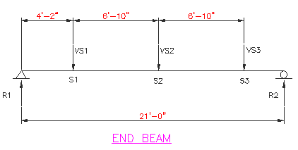
 | 11.263 | 10.25 | 0.15 | 2.00 | Sidewalk Deck |  | 2.886 | DC |  |  | L1-L11 = | Load DL = |  | 0.88 | kip | 1.77 | kip |  |  | U6 | 130.00 | 0 | 75.15 | 147.62 |  |  |  |  |  |  |  |  |  |  |  |  |  |  |  | Upper Pts | X | Y | Load |  |  |  |  |  | U1 | 8 | 21.667 | 173.333 | 0.039 | 6.77
 | - | - | - | 2.00 | Traffic Rail and Barrier |  | 0.134 | DC | ** |  |  | ( # trusses) |  |  |  |  |  |  |  | U7 | 151.67 | 0 | 77.15 | 151.65 |  |  |  |  |  |  |  |  |  |  |  |  |  |  |  | U0 | 0 | 0 | 42.68 |  |  |  |  |  | U2 | 8 | 21.667 | 173.333 | 0.039 | 6.77
 | 1560.000 | 3.00 | 0.15 | 1.00 | Sidewalk Rail / Light Posts |  | 4.875 | DC | *** |  |  |  |  |  |  |  |  |  |  | U8 | 173.34 | 0 | 75.40 | 147.89 |  |  |  |  |  |  |  |  |  |  |  |  |  |  |  | U1 | 21.667 | 0 | 85.36 |  |  |  |  |  | U3 | 8 | 21.667 | 173.333 | 0.039 | 6.77
 | 22.188 | 1.00 | 0.49 | 2.00 | Fascia Stringer |  | 1.812 | DC | + |  | Gusset Plates Dead Load: |  |  |  |  |  |  |  |  | U9 | 195.00 | 0 | 77.84 | 152.75 |  |  |  |  |  |  |  |  |  |  |  |  |  |  |  | U2 | 43.334 | 0 | 85.36 |  |  |  |  |  | U4 | 8 | 21.667 | 173.333 | 0.039 | 6.77
 | 16.200 | 1.00 | 0.49 | 7.00 | Interior Stringers |  | 4.631 | DC | + |  |  |  |  |  |  |  |  |  |  | U10 | 216.67 | 0 | 75.84 | 148.78 |  |  |  |  |  |  |  |  |  |  |  |  |  |  |  | U3 | 65.001 | 0 | 85.36 |  |  |  |  |  | U5 | 8 | 21.667 | 173.333 | 0.039 | 6.77
 | 16.200 | 1.00 | 0.49 | 2.00 | Exterior Stringers |  | 1.323 | DC | + |  | Gusset | Area*, in | Thickness, in | Weight, kips | Weight (2) pl., kips |  | *Per CAD drawings |  |  | U11 | 238.34 | 0 | 79.78 | 155.30 |  |  |  |  |  |  |  |  |  |  |  |  |  |  |  | U4 | 86.668 | 0 | 85.36 |  |  |  |  |  | U6 | 8 | 21.667 | 173.333 | 0.039 | 6.77
 | - | - | - | 1.00 | Utilities TR1-TR2 |  | 0.145 | DW | X |  |  |  |  |  |  |  |  |  |  | U12 | 260.00 | 0 | 40.47 | 79.55 |  |  |  |  |  |  |  |  |  |  |  |  |  |  |  | U5 | 108.335 | 0 | 85.36 |  |  |  |  |  | U7 | 8 | 21.667 | 173.333 | 0.039 | 6.77
 | - | - | - | 1.00 | Utilities TR2-TR3 |  | 0.238 | DW | X |  | U0 | 1531.7 | 0.75 | 0.33 | 0.65 |  |  |  |  |  |  |  |  |  |  |  |  |  |  |  |  |  |  |  |  |  |  |  |  | U6 | 130.002 | 0 | 85.36 |  |  |  |  |  | U8 | 8 | 21.667 | 173.333 | 0.039 | 6.77
 | - | - | - | 1.00 | Utilities TR3-TR4 |  | 0.192 | DW | X |  | U1 | 6434.1 | 0.75 | 1.37 | 2.74 |  |  |  |  |  |  |  |  |  |  |  |  |  |  | Figure 19. | Controlling Floorbeam loading |  |  |  |  |  |  |  |  | U7 | 151.669 | 0 | 85.36 |  |  |  |  |  | U9 | 8 | 21.667 | 173.333 | 0.039 | 6.77
 |  |  |  |  |  |  | 19.353 |  |  |  | U2 | 1559.8 | 0.75 | 0.33 | 0.66 |  |  |  |  | Lower Panels: |  |  |  |  |  |  |  |  |  |  |  |  |  |  |  |  |  |  |  | U8 | 173.336 | 0 | 85.36 |  |  |  |  |  | U10 | 8 | 21.667 | 173.333 | 0.039 | 6.77
 |  |  |  |  |  |  |  |  |  |  | U3 | 5456.5 | 0.75 | 1.16 | 2.32 |  |  |  |  |  |  |  |  |  |  |  |  |  |  |  | S1 load transferred = | 22.26 | kip |  |  |  |  |  |  | U9 | 195.003 | 0 | 85.36 |  |  |  |  |  | U11 | 8 | 21.667 | 173.333 | 0.039 | 6.77
 | Area | Length | Ys | Qty | Item |  | Load | AASHTO |  |  | U4 | 1560.1 | 0.75 | 0.33 | 0.66 |  |  |  |  | Lower Pts | X | Y | Exterior Truss | Interior Truss |  |  |  |  |  |  | S2 & S3 load transferred= | 13.24 | kip |  |  |  |  |  |  | U10 | 216.670 | 0 | 85.36 |  |  |  |  |  | U12 | 8 | 21.667 | 173.333 | 0.039 | 6.77
 | in2 | ft | k/ft3 | - | Description |  | kip | Type |  |  | U5 | 5370.1 | 0.75 | 1.14 | 2.28 |  |  |  |  | L0 | 0.000 | -17.797 | 9.18 | 9.30 |  |  |  |  |  |  |  |  |  |  |  |  |  |  |  | U11 | 238.337 | 0 | 85.36
 | 45.00 | 21.000 | 0.490 | 1 | Interior Floorbeam |  | 3.216 | DC |  |  | U6 | 1562.5 | 0.75 | 0.33 | 0.66 |  |  |  |  | L1 | 21.667 | -16.656 | 1.97 | 6.37 |  |  |  |  |  |  |  | V, kip | M, kip.ft |  |  |  |  |  |  | U12 | 260.004 | 0 | 42.68 |  |  |  |  |  | W | average sidewalk span
 | 42.81 | 21.000 | 0.490 | 1 | Exterior Floorbeam |  | 3.059 | DC |  |  | U7 | 6453.3 | 1 | 1.83 | 3.66 |  |  |  |  | L2 | 43.334 | -15.510 | 8.53 | 9.37 |  |  |  |  |  | End Floor beam |  | 28.36 | 148.91 |  |  |  |  |  |  |  |  |  |  |  |  |  |  |  | B | distance between panel points - tributary length
 | 60.75 | 21.000 | 0.490 | 1 | Center Floorbeam |  | 4.341 | DC |  |  | U8 | 1560 | 1 | 0.44 | 0.88 |  |  |  |  | L3 | 65.001 | -15.240 | 1.99 | 6.32 |  |  |  |  |  | Intermediate Floor beam |  | 55.51 | 297.81 |  | Load comes from 2 bays |  |  |  |  | * Values are obtained using largest LL; |  |  |  |  |  |  |  |  | A | tributary area of sidewalk per panel point
 | 26.4 | 3.167 | 0.490 | 2 | Bracket Sidewalk beam |  | 0.569 | DC |  |  | U9 | 6950.3 | 1 | 1.97 | 3.94 |  |  |  |  | L4 | 86.668 | -14.969 | 7.87 | 8.75
 | 10 | 21 | 0.150 | 3 | Floorbeam Haunch |  | 0.656 | DC |  |  | U10 | 1560 | 1 | 0.44 | 0.88 |  |  |  |  | L5 | 108.335 | -15.573 | 2.01 | 6.41
 |  |  |  |  |  |  | 1.225 |  |  |  | U11 | 6779.9 | 1.5 | 2.88 | 5.77 |  |  |  |  | L6 | 130.002 | -16.177 | 8.71 | 9.59
 |  |  |  |  |  |  |  |  |  |  | U12 | 1560 | 1 | 0.44 | 0.88 |  |  |  |  | L7 | 151.669 | -17.656 | 2.05 | 6.45
 | *Value accounts for deck slope |  |  |  | . + thickness are swaped for cross-sectional area |  |  |  |  |  | L0 | 5718.1 | 1.5 | 2.43 | 4.86 |  |  |  |  | L8 | 173.336 | -19.135 | 8.86 | 9.75
 | ***As calculated on sidewalk dead load page |  |  |  | ***Applied as point loads on AASHTOWARE |  |  |  |  |  | L1 | 1337.2 | 1 | 0.38 | 0.76 |  |  |  |  | L9 | 195.003 | -21.500 | 2.43 | 6.82
 | x - separate calculations |  |  |  |  |  |  |  |  |  | L2 | 6719.1 | 1 | 1.91 | 3.81 |  |  |  |  | L10 | 216.670 | -23.859 | 9.65 | 10.53
 |  |  |  |  |  |  |  |  |  |  | L3 | 1377.5 | 1 | 0.39 | 0.78 |  |  |  |  | L11 | 238.337 | -27.115 | 2.65 | 6.72
 | Bridge Dead Loads on Lower Panel: |  |  |  |  |  |  |  |  |  | L4 | 5562 | 1 | 1.58 | 3.15 |  |  |  |  | L12 | 260.004 | -30.125 | 17.29 | 19.57
 |  |  |  |  |  |  |  |  |  |  | L5 | 1421.8 | 1 | 0.40 | 0.81
 | Area | Length | Ys | Qty | Item |  | Load | AASHTO |  |  | L6 | 6556.8 | 1 | 1.86 | 3.72
 | in2 | ft | k/ft3 | - | Description |  | kip | Type |  |  | L7 | 1461.9 | 1 | 0.41 | 0.83
 | 24.7 | 21 | 0.49 | 1 | W 27x84 Interior Bot. brace |  | 1.77 | DC |  |  | L8 | 7259.3 | 1 | 2.06 | 4.12
 | 112.88 | 21 | 0.49 | 1 | JB - L12 brace |  | 8.07 | DC |  |  | L9 | 1400.2 | 1 | 0.40 | 0.79
 | 52.5 | 21 | 0.49 | 1 | W27x128 End Floor brace |  | 3.75 | DC |  |  | L10 | 7859.4 | 1 | 2.23 | 4.46
 |  |  |  |  |  |  | 9.83 |  |  |  | L11 | 1606.6 | 1 | 0.46 | 0.91
 |  |  |  |  |  |  |  |  |  |  | L12 | 8590.4 | 2 | 4.87 | 9.74

 |  |  |  | 65 |  |  |  |  |  |  |  |  | 66 |  |  |  |  |  |  |  |  |  | 67 |  |  |  |  |  |  |  |  |  |  | 68 |  |  |  |  |  |  |  |  | 69 |  |  |  |  |  |  |  |  | 70

DFactors
CLIENT | MassDOT |  |  |  | STV Incorporated |  |  |  | CLIENT | MassDOT |  |  |  | STV Incorporated |  |  |  | CLIENT | MassDOT |  |  |  | STV Incorporated
PROJECT | Richard P. Howe - L-15-095 |  |  |  | MADE | CHK. | REV. | 4014312 | PROJECT | Richard P. Howe - L-15-095 |  |  |  | MADE | CHK. | REV. | 4014312 | PROJECT | Richard P. Howe - L-15-095 |  |  |  | MADE | CHK. | REV. | 4014312
SUBJECT | Bridge Loading |  |  |  | ARG | WRG |  | SHT # 1 | SUBJECT | Bridge Loading |  |  |  | ARG | WRG |  | SHT # 2 /3 | SUBJECT | Bridge Loading |  |  |  | ARG | WRG |  | SHT # 3 /3
 | Distribution Factors |  |  |  | 2016-04-04 | 2016-05-09 |  |  |  |  |  |  |  | 2016-04-04 | 2016-05-09 |  |  |  |  |  |  |  | 2016-04-04 | 2016-05-09

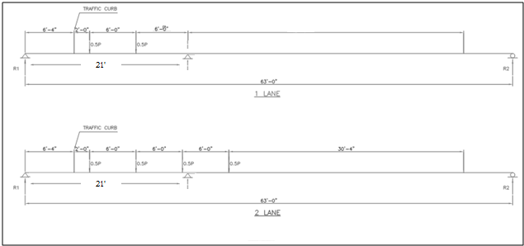
 | Distribution Factors |  |  |  |  | Ref. |  |  |  | Moment Distribution Factor for Exterior Beams |  |  |  | AASHTO | Table 4.6.2.2.2d-1 |  |  |  | Truss Distribution Factor
 |  |  |  |  |  |  |  |  |  | Longitudinal beams / Stringers
 |  | Exterior |  | Interior
 |  | 1-Lane | 2+ Lane | 1-Lane | 2+ Lane |  |  |  |  | Single Lane |  |  |  | Lever Rule
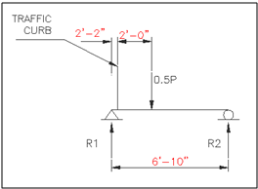
Stringer | V | 0.390 | 0.722 | 0.633 | 0.731
 | M | 0.390 | 0.661 | 0.533 | 0.656
Floor beam | F | - | - | - | -
Truss | F | 0.460 | 0.476 | - | -

 | Stringers Distribution Factors

 | Table x - L for Use in Live Load Distribution Equations |  |  |  |  | AASHTO LRFD | Table 4.6.2.2.1-2

 | Force Effect | L (ft)
 | M+ | L |  |  |  |  |  |  |  | Figure 21. | Exterior Stringer Controlling Case |  |  | Page 5 Hand Calculations
 | M- | Lavg = (L1+L2)/2 |  |  |  | Near int. supports of continuous spans
 | M- | L |  |  |  | Other than near int. supports |  |  |  | DFext = | 0.390 |  |  | Moment Single-Lane Exterior DF
 | V | L
 | Ext. R | Lext |  |  |  |  |  |  |  | Multi-lane |  |  |  | Case II - Concrete Deck on Steel Beams
 | Int. R | Lavg = (L1+L2)/2
 |  |  |  |  |  |  |  |  |  | e = | 1.008
 | Moment Distribution Factor for Interior Beams |  |  |  |  | AASHTO LRFD | Table 4.6.2.2.2b-1 |  |  | de = | 2.166 | OK
 |  |  |  |  |  |  |  |  |  | DF = | e * DFINT = | 0.661 |  | Moment Multi-Lane Exterior DF
 | Applicability Check: |  |  |  |  | Case II - Concrete Deck on Steel Beams
 |  |  |  |  |  |  |  |  |  | Shear Distribution Factor for Exterior Beam |  |  |  | Table 4.6.2.2.3b-1
 | Stringer | Check
S = | 6.83 | OK |  |  |  |  |  |  |  | Single Lane |  |  |  | Lever Rule
ts = | 8 | OK
L1 = | 21.667 | OK |  |  |  | Span Length |  |  |  | DFEXT = | 0.390 |  |  | Shear Single-Lane Exterior DF
L2 = | 21.667 | OK |  |  |  | Lavg = (L1+L2)/2
Nb = | 9 | OK |  |  |  | Accounts for sidewalk brackets |  |  |  | Multi-lane |  |  |  | Case II - Concrete Deck on Steel Beams | Page 5 Hand Calculations
Kg = | 42339.46 | OK |  |  |  | Eqn. 4.6.2.2.1-1
 |  |  |  |  |  |  |  |  |  | e = | 0.987
 | Single Lane | Multi-lane |  |  |  |  |  |  |  | de = | 2.166 | OK |  |  |  |  |  |  | Figure 23. | Truss Distribution Factor with simple span beam model.
Stringer | 0.533 | 0.656 |  |  |  | Moment Interior Stringer DF |  |  |  | DF = | e * DFINT = | 0.722 |  | Shear Multi-Lane Exterior DF
 |  |  |  |  |  | Not Applicable - Use Lever Rule
 |  |  |  |  |  |  |  |  |  |  |  |  |  |  |  |  |  |  | Distribution Factors:
 | Shear Distribution Factor for Interior Beam |  |  |  |  | Table 4.6.2.2.3a-1
 |  |  |  |  |  |  |  |  |  |  |  |  |  |  |  |  |  |  |  | DF1 = | 0.460
 | Single Lane | Multi-lane |  |  |  |  |  |  |  |  |  |  |  |  |  |  |  |  |  | DF2 = | 0.476
Stringer | 0.633 | 0.731 |  |  |  | Interior Stringer Shear DF

 |  |  |  | 71 |  |  |  |  |  |  |  |  | 72 |  |  |  |  |  |  |  |  | #REF!

